records
Sample Measurement Record
Mano Engineering LLC |  |  |  | Part No. 10166579
No. | A | B | C
1 | 10 | 2.1 | 19.341
2 | 9.97 | 2.09 | 19.582
3 | 10.07 | 2.1 | 18.982
4 | 10.05 | 2.09 | 18.951
5 | 10.06 | 2.19 | 18.731

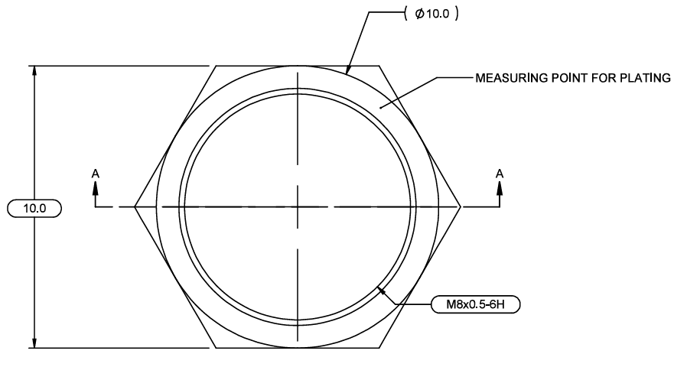
A

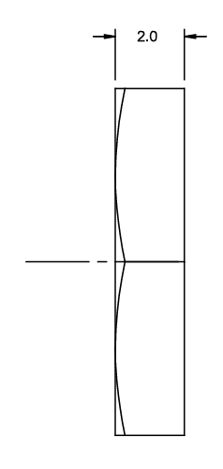
B

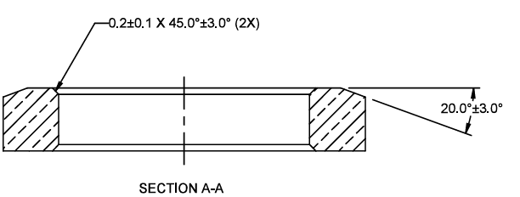

C

